Sheet1
Thanksgiving Dinner Shopping List

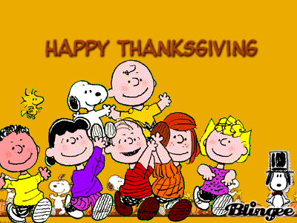
Shopping List
Turkey
Stuffing
Cornbread
Pies
Potatoes
Fruit Salad
French Coffee
Total Shopping Bill | $-
Mom's Shopping Bill
Turkey
Stuffing
Cornbread
Pies
Potatoes
Fruit Salad
French Coffee
Total Shopping Bill | $-

